Sheet
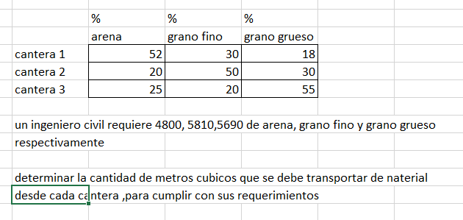
Matrix a
52 | 30 | 18
20 | 50 | 30
25 | 20 | 55

Inversa de a
-0.03762505437 | 0.0137016094 | 0.3086124402
-0.02131361462 | 0.03088299261 | 0.07655502392
0.03621139626 | -0.02185732927 | -0.1351674641

a * inv(a)
1 | 0 | 0
0 | 1 | 0
0 | 0 | 1

